Sheet1
 |  |  |  | bar
State 2 | P | 3039750 | Pa | 30.0 | bar | 40 | kg/s CO2
 | T | 268.1 | K | -5.1 | C
 | H | 433414 | J/kg | 433.41 | kJ/kg | Enthalpy difference
 | S | 268 | J/kgK | 0.268 | kJ/kgK | DH_EVAP | 7563 | kW
 | x | 1 | - | 1 | - | DH_SH | 314 | kW
 |  |  |  |  |  | DH_CON | 10268 | kW
State 2sh | P | 3039750 | Pa | 30.0 | bar | W_COMP | 2390 | kW
 | T | 273.1 | K | -0.1 | C
 | H | 441274 | J/kg | 441 | kJ/kg | SUM | 0.000
 | S | 1902 | J/kgK | 1.902 | kJ/kgK
 | x | -1 | - | -1 | -
 | dTsh | 5 | K | 5 | K

State 3sc-iso | P | 9119250 | Pa | 90.0 | bar
 | T | 358.5 | K | 85.3 | C
 | H | 489081 | J/kg | 489 | kJ/kg
 | S | 1902 | J/kgK | 1.902 | kJ/kgK
 | x | -1 | - | -1 | -
 | eff iso | 80% | - | 80% | -

State 3asc-act | P | 9119250 | Pa | 90.0 | bar
 | T | 366.2 | K | 93.1 | C
 | H | 501033.18996 | J/kg | 501 | kJ/kg
 | S | 1935 | J/kgK | 1.935 | kJ/kgK
 | x | -1 | - | -1 | -

State 3bsc-act | P | 9119250 | Pa | 90.0 | bar
 | T | 331.6 | K | 58.4 | C
 | H | 436847 | J/kg | 437 | kJ/kg
 | S | 1750 | J/kgK | 1.750 | kJ/kgK
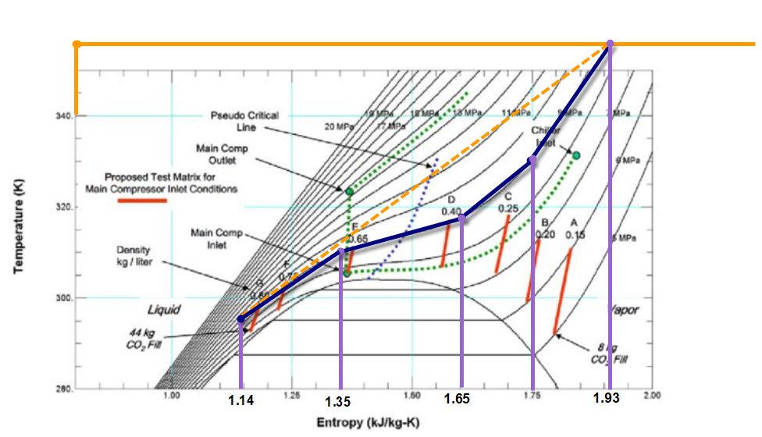
 | x | -1 | - | -1 | -
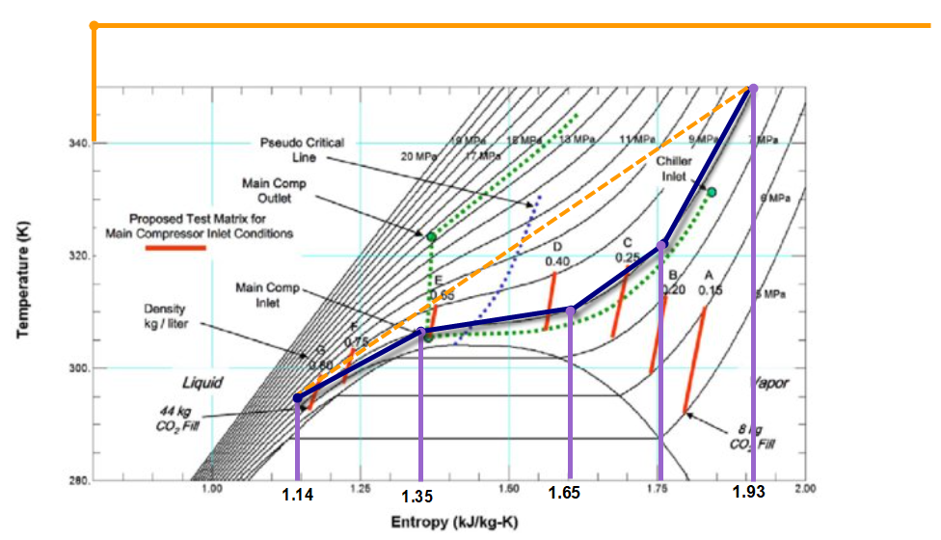
State 3csc-act | P | 9119250 | Pa | 90.0 | bar
 | T | 321.6 | K | 48.5 | C
 | H | 404236 | J/kg | 404 | kJ/kg
 | S | 1650 | J/kgK | 1.650 | kJ/kgK
 | x | -1 |  | -1 | -

State 3dsc-act | P | 9119250 | Pa | 90.0 | bar
 | T | 310.2 | K | 37.0 | C
 | H | 309685 | J/kg | 310 | kJ/kg
 | S | 1350 | J/kgK | 1.350 | kJ/kgK
 | x | -1 | - | -1 | -

State 4 | P | 9119250 | Pa | 90.0 | bar
 | T | 293.15 | K | 20.0 | C
 | H | 244336 | J/kg | 244 | kJ/kg
 | S | 1134 | J/kgK | 1.134 | kJ/kgK
 | x | -1 | - | -1 | -

State 1 | P | 3039750 | Pa | 30.0 | bar
 | T | 268.1 | K | -5.1 | C
 | H | 244336 | J/kg | 244 | kJ/kg
 | S | 1168 | J/kgK | 1.168 | kJ/kgK
 | x | 23.0% | - | 23.0% | -

 |  |  |  |  |  |  | Q kW
DefaultHeatCascade Clu_Loc_CO2schpmult_CO2SCHP_qt_consc_1 |  |  |  |  |  |  | 981.126
DefaultHeatCascade Clu_Loc_CO2schpmult_CO2SCHP_qt_consc_2 |  |  |  |  |  |  | 553.584
DefaultHeatCascade Clu_Loc_CO2schpmult_CO2SCHP_qt_consc_3 |  |  |  |  |  |  | 1619.12
DefaultHeatCascade Clu_Loc_CO2schpmult_CO2SCHP_qt_consc_4 |  |  |  |  |  |  | 783.46
DefaultHeatCascade Clu_Loc_CO2schpmult_CO2SCHP_qt_eva |  |  |  |  |  |  | 2982.39
DefaultHeatCascade Clu_Loc_CO2schpmult_CO2SCHP_qt_sh |  |  |  |  |  |  | 136.236
Compression power |  |  |  |  |  |  | 818.664

